Apple Pay Campaign Assets
Client | Apple Inc.
Project | New Year Apple Pay Campaign Assets Development
Company | Shanghai Blue Flying Fish ADV Co.
By | Tina Wang
Date | 20-Dec-17

Activity | Description & Deliverables | Size尺寸 | Quantity数量 | 效果图参考

Advertisemet / 广告位 | 主场台看巨幅广告位 | 800*500cm | 1 | 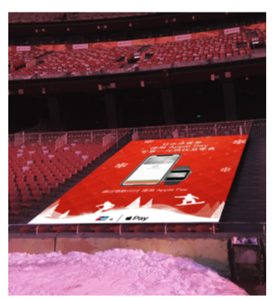
 | 主附场通道广告 | 240*380cm | 4 | 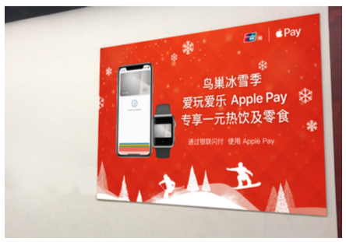
 | 零层环廊广告 | 255*350cm | 1 | 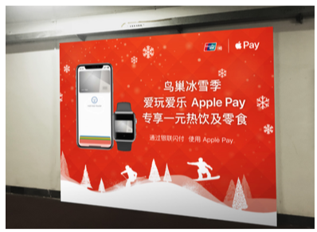
 | 主场项目围挡广告 | 121*395 | 5 | 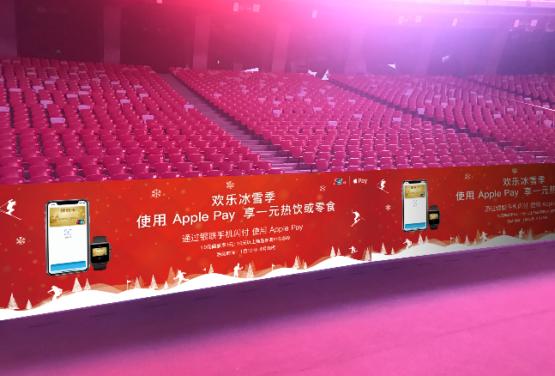
 | 主场A字版广告 | 250*250cm | 4 | 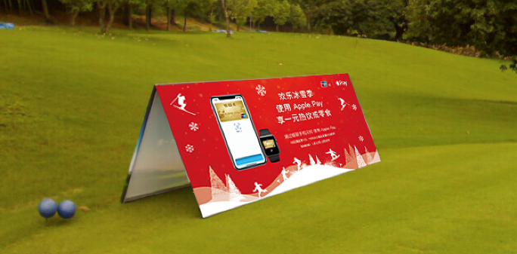
 | 附场栅栏广告 | 280*420 | 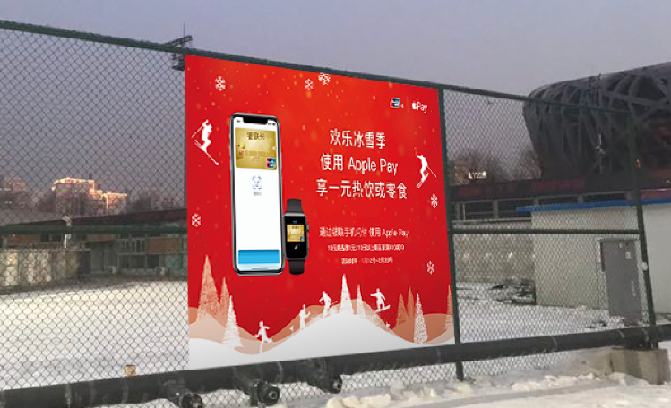 1
 | LED屏幕广告 | 1.画面16:9 2.内容分两种，固定画面和宣传片 3.像素：1024 | 2块（5秒/次 X 60次/天 ） | 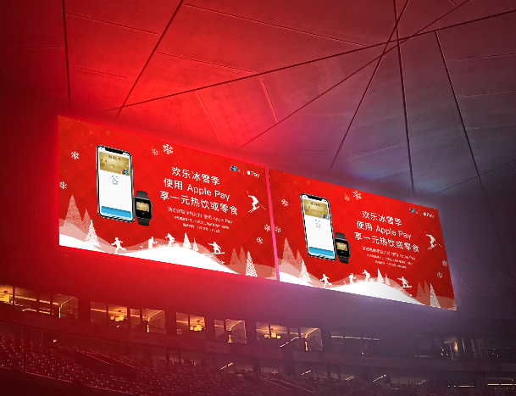
AP Activation Booth/Apple Pay激活站 | Wifi / 无线网络
 | Air Conditioner / 空调
 | Booth outer pack / 篷房外装
 | Exteranl installation maintenance / 外装维护
 | Booth inter decoration / 篷房内装
 | AV equipment / 多媒体播放器
 | LED boxes / 灯箱
 | Special installation management fees, electricity points / 接电点，特装管理费
 | 户外施工人员资质费用
 | 胸卡、工作薄、麦牌等
 | 政府批文和公安局备案申报费用
Apple Pay Operational items / 其它项目 | 商场商户服务窗口吊卡 |  | 12
 | 公共就餐区宣传桌卡 |  | 9
 | 水鸟票务 |  | 14
 | 收银区吊卡 |  | 9
 | 收银台台卡 |  | 9
 | 纪念品区、咖啡厅、水吧吊卡 |  | 9

