主播零食清单
主播零食推荐清单
分类 | 序号 | 商品名称 | 商品图片 | 链接 | 价格 | 单位小包装 | 下单数量 | 小包装总量 | 费用合计 | 确认✅ | 下单渠道 | 状态 | 快递单号
进口零食 | 1 | 英国M&S玛莎开心果曲奇饼 | 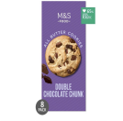 | https://item.jd.com/10121499550217.html?spmTag=YTAyMTguYjAwMjQ1NS5jMDAwMDM5OTEucHJvZHVjdF9uYW1l&pvid=991af052a45247cd94a223eb92be02de | 54.78 | 1 | 30 | 30 | 1643.4 | ✅
 | 2 | 泰国进口座山牌肉松米饼 | 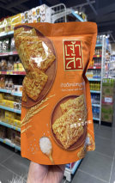 | https://item.taobao.com/item.htm?from=cart&id=764443477100&mi_id=0000UQqMO90oyv3mkOP7r9CBWPBvAdlzWDMMOBrf0I2MhPg&skuId=5317286805223&spm=a1z0d.6639537%2F202410.item.d764443477100.71417484UYgDlA&upStreamPrice=2400 | 29 | 1 | 50 | 50 | 1450 | ✅
 | 3 | 日本进口休闲零食 NY芝士卷奶油蛋卷夹心饼干 | 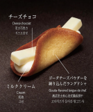 | https://npcitem.jd.hk/100148004735.html?spmTag=YTAyMTguYjAwMjQ1NS5jMDAwMDM5OTEucHJvZHVjdF9uYW1l&pvid=a67193ca8d484cf5815583f6b18d109e | 132 | 8 | 30 | 240 | 31680 | ✅
 | 4 | 泰国进口bento拌多乐鱿鱼片 | 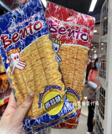 | https://item.taobao.com/item.htm?from=cart&id=765466080816&mi_id=0000tBY25ioP6Sy1zStA0Pepkvei1IDVGsWe33jelFzZn0s&skuId=5433664814485&spm=a1z0d.6639537%2F202410.item.d765466080816.71417484v0jE6c&upStreamPrice=390 | 3.9 | 1 | 80 | 80 | 312 | ✅
 | 5 | 韩国进口蜂蜜黄油扁桃仁混合装 | 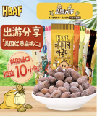 | https://item.jd.com/100015548739.html?spmTag=YTAyMTguYjAwMjQ1NS5jMDAwMDM5OTEucHJvZHVjdF9waWM&pvid=01c960a25099447f99fb9e9e91addef1 | 63.09 | 10 | 20 | 200 | 12618 | ✅
 | 6 | 韩国进口玉米片sun薯片 | 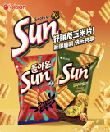 | https://item.jd.com/10187019548154.html?spmTag=YTAyMTguYjAwMjQ1NS5jMDAwMDM5OTEucHJvZHVjdF9uYW1l&pvid=fa52382877a846a28bed0fe260564c17 | 15.2 | 2 | 50 | 100 | 1520 | ✅
 | 7 | 泰国乐哆士Lotus虾条 | 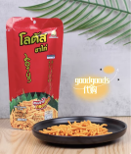 | https://item.taobao.com/item.htm?from=cart&id=979960755226&mi_id=0000zOTJ82hGQEFcUOTJ4xFRK9aPHFHvXROHNEN7TCQP0Ag&skuId=5939490597576&spm=a1z0d.6639537%2F202410.item.d979960755226.714174842Y178t&upStreamPrice=783 | 7.83 | 1 | 50 | 50 | 391.5 | ✅
 | 8 | 日本卡乐比Calbee盐味蚕豆 | 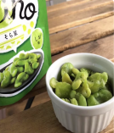 | https://item.taobao.com/item.htm?from=cart&id=889198849155&mi_id=0000-2BtL7Z5flVhjH17OxPQxMjE-hwjmCtjDS14CD-QSxo&skuId=5733244000491&spm=a1z0d.6639537%2F202410.item.d889198849155.3a3074845nDpn3&upStreamPrice=1250 | 12.5 | 1 | 50 | 50 | 625 | ✅
 | 9 | 泰国进口kunna冻干椰奶块 | 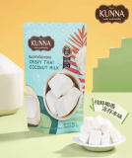 | https://detail.tmall.com/item.htm?from=cart&id=970476893754&mi_id=0000DTTs_J8CbbWe6B94aJH3IYUDOBlJWPTG5_zDzNW2zZI&skuId=5920025477769&spm=a1z0d.6639537%2F202410.item.d970476893754.71417484v0jE6c&upStreamPrice=1980 | 19.8 | 1 | 50 | 50 | 990 | ✅
 | 10 | 纳菲琪菲律宾进口LuckyFresh香蕉片 | 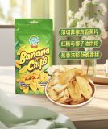 | https://item.jd.com/100190214554.html?spmTag=YTAyMTguYjAwMjQ1NS5jMDAwMDM5OTEucHJvZHVjdF9uYW1l&pvid=40f8cd5f2f2341d2ac78322475995ced#switch-sku | 13.9 | 1 | 50 | 50 | 695 | ✅
 | 2 | 良品铺子肉松海苔吐司 | 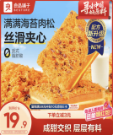 | https://item.jd.com/100013767476.html | 21.9 | 9 | 20 | 180 | 438 | ✅
 | 3 | 卡尔顿肉松焗蛋糕2 | 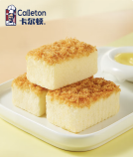 | https://item.jd.com/100044802869.html | 19.9 | 10 | 75 | 750 | 1492.5 | ✅
 | 4 | 茶颜悦色面包丁2 | 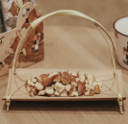 | https://item.jd.com/100137125092.html | 48.8 | 15 | 25 | 375 | 1220 | ✅
 | 5 | 豪士乳酸菌小口袋面包 | 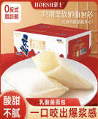 | https://item.jd.com/100025456289.html | 39.9 | 35 | 10 | 350 | 399 | ✅
 | 6 | 合味道杯面 1 | 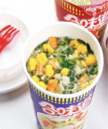 | https://item.jd.com/100066038197.html | 39.9 | 6 | 90 | 540 | 3591 | ✅
 | 7 | 杨掌柜高人拉面混合口味1 | 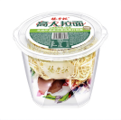 | https://item.jd.com/100161979758.html | 84.9 | 6 | 25 | 150 | 2122.5 | ✅
 | 8 | 食族人酸辣粉1 | 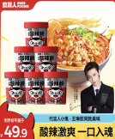 | https://item.jd.com/100001155238.html | 49.9 | 6 | 60 | 360 | 2994 | ✅
 | 8 | 食族人爆肚粉 |  |  |  |  |  |  |  | ✅
 | 9 | 双汇火腿肠 泡面拍档 2 | 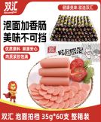 | https://item.jd.com/5379129.html | 76.89 | 8 | 15 | 120 | 1153.35 | ✅
 | 10 | 盐焗鸡蛋 2 | 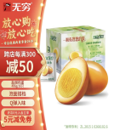 | https://item.jd.com/100006538443.html | 32.8 | 16 | 40 | 640 | 1312 | ✅
 | 11 | 王小卤虎皮凤爪 | 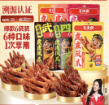 | https://item.jd.com/100064560841.html | 148.8 | 50 | 20 | 1000 | 2976 | ✅
 | 13 | 劲仔小鱼干 | 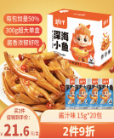 | https://item.jd.com/1099995.html | 23.8 | 44 | 40 | 1760 | 952 | ✅
 | 14 | 牛浪汉 牛肉干 | 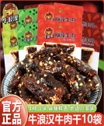 | https://item.jd.com/15340590176.html#crumb-wrap | 64.7 | 10 | 50 | 500 | 3235 | ✅
 | 15 | 懒吃侠鸡脚筋 | 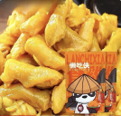 | https://item.jd.com/10124531469651.html?spmTag=YTAyMTkuYjAwMjM1Ni5jMDAwMDQ2ODkuc2VhcmNoX2NvbmZpcm0lMkNhMDI0MC5iMDAyNDkzLmMwMDAwNDAyNy4xJTIzc2t1X2NhcmQ&pvid=36117ff6aea243e196d9a9982d6ea700 | 102 | 8 | 20 | 160 | 2040 | ✅
 | 16 | 笋小样山椒脆笋4 | 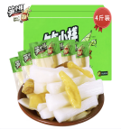 | https://item.jd.com/100066892515.html | 54.9 | 80 | 20 | 1600 | 1098 | ✅
 | 17 | 百草味-素卤零食大礼包（海带、土豆片、藕片、木耳笋丝） | 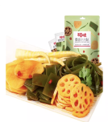 | https://chaoshi.detail.tmall.com/item.htm?abbucket=20&id=625818953841&ns=1&pisk=gmRteJjkB2UTwWo-bCkhoKufN13h6vYZjh87iijghHKplMVm71DVMnIp0GXG1GVAMEK2mnLq7ZsXcnIDIvck7F5VG0xxZbYaQ0HlOhB_1kgfza7s-OZ951z1G0moMJ4CQcfXjwIOlXwCzM_1lG6sJ6_Vo-1fCG_IJZ_0f-N6c2LCYZrbcOs_RX_5kl1fltNQRZb_5Rs_Gw1CYZ1fcn1jJ6TosvI4CgVveSlGpMPVJSNX9NBKKFsQo6dCWOIW5CFbGr7OBgT1A0SM4-BvXOdn6u79dUKFWnlz_16vCL16M0hOOUJHfwKj2-IBeCRAECn8UGON03C6pDNOG17JkTvnl8IHheRdpCHuuwRMlCWlNbr1mpYJMZdq0XKJ5hp5FCZO4rOkw6AgqgQ0C23L3-W18yITvWbyp2T5Jg0hS-yVpv7dq2E83-W18wIo-x2439HF.&priceTId=undefined&skuId=4855989520635&spm=a21n57.1.item.1.79767783b6qKiC&utparam=%7B%22aplus_abtest%22%3A%228dfd7c82b0e85189e4724811edac0e9a%22%7D&xxc=taobaoSearch | 13.9 | 25 | 60 | 1500 | 834 | ✅
 | 18 | 百草味辣卤零食大礼包（猪肉脯、毛肚、卤藕） | 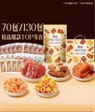 | https://item.taobao.com/item.htm?abbucket=20&id=798401672213&ns=1&pisk=gZsIFdiVd_IanaPlS62wGttYMltWPRrqOY9RnTnEeHKpwN6cNByu-H76N1C69Dy3-Ud5tHLl8QReN36lGRP40oWhK3xLgSr2dwp2bnvKy3hyBOpJVpEQbPydK3x8NAo8uo6hMz95b0pJBR9yUDpdwUd9WCvWw4CJ9Fh9hKxJ23CJ6ApJdDhJ2p3OBCvmpbdJ2h39HLJJpBCRBR9k6QKJJUjxAdyBs9wCbAD4no9lpCi-2MZkRIOKz0i5fpTC29d1QOS6deOXS7he4i6Apiv5q-3WNT7dTdf7c5tOA6sp53ZSjHWfW6T1R7i6SNBc2F_gGqXcp6_vkME_I_1OnZxdv7metaBO2CSLU0OAutx6IgPivQ_OyM8HqXFBCM6fVasPxmRXy9gSCEmWCIy_C40oJLC6cwOln5LpIdPzCRgVEepMCOy_C40kJdvwYRwsuTf..&priceTId=undefined&skuId=5611581687587&spm=a21n57.1.item.1.30c03e17pkLtah&utparam=%7B%22aplus_abtest%22%3A%22a53df6fb816a4ba4c24116c7019f1055%22%7D&xxc=taobaoSearch | 21.9 | 70 | 50 | 3500 | 1095 | ✅
 | 19 | 盐津铺子鱼豆腐3种混合口味 | 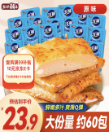 | https://item.jd.com/100152627354.html | 23.9 | 50 | 10 | 500 | 239 | ✅
 | 20 | 盐津铺子手撕素肉3种混合口味 | 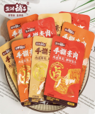 | https://item.jd.com/100061172567.html | 15.9 | 30 | 20 | 600 | 318 | ✅
 | 21 | 卫龙魔芋爽 | 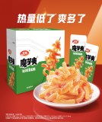 | https://item.jd.com/100037261773.html | 19.9 | 40 | 40 | 1600 | 796 | ✅
 | 22 | 三只松鼠猪肉脯 | 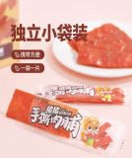 | https://item.jd.com/100076483659.html | 29.9 | 112 | 30 | 3360 | 897 | ✅
 | 23 | 甘源什锦瓜子仁混合装 | 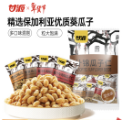 | https://item.jd.com/100059084681.html | 17.8 | 40 | 20 | 800 | 356 | ✅
 | 24 | GEMEZ小鸡面干脆面3 | 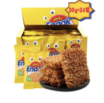 | https://item.jd.com/8571077.html | 46.58 | 24 | 30 | 720 | 1397.4 | ✅
 | 25 | 刺猬阿甘 花椒锅巴2 | 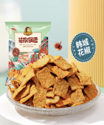 | https://item.jd.com/100063423849.html | 21.9 | 30 | 30 | 900 | 657 | ✅
 | 26 | 口水娃多味花生3 | 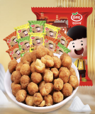 | https://item.jd.com/4437489.html | 13.9 | 20 | 40 | 800 | 556 | ✅
 | 27 | 三只松鼠_每日坚果3 | 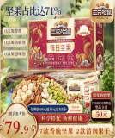 | https://item.jd.com/100000499657.html | 74 | 30 | 40 | 1200 | 2960 | ✅
 | 28 | 老板仔海苔卷原味 12盒 1箱 2 | 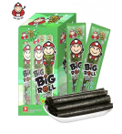 | https://item.jd.com/1160126.html | 29.9 | 9 | 50 | 450 | 1495 | ✅
 | 29 | 趣多多 曲奇饼干5 | 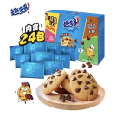 | https://item.jd.com/100007013420.html | 19.9 | 24 | 70 | 1680 | 1393 | ✅
 | 30 | 德芙巧克力 | 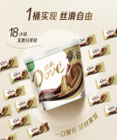 | https://item.jd.com/1178879.html | 29.9 | 18 | 30 | 540 | 897 | ✅
 | 31 | 雀巢脆脆鲨巧克力威化饼干 |  | https://item.jd.com/508411.html | 24.9 | 48 | 40 | 1920 | 996 | ✅
 | 32 | 百草味芒果干 | 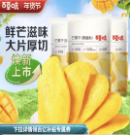 | https://detail.tmall.com/item.htm?_u=320el02gr293ef&id=20600624998&spm=a1z09.2.0.0.62592e8dVgCYnO | 8.9 | 3 | 100 | 300 | 890 | ✅
进口饮品 | 1 | 澳洲网红果汁气泡水 宾得宝（Bundaberg）混合装 | 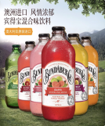 | https://item.jd.com/100001084946.html?spmTag=YTAyMTguYjAwMjQ1NS5jMDAwMDM5OTEucHJvZHVjdF9uYW1l&pvid=7f388fb920a743c09c03f44a9724ba11 | 76.9 | 6 | 20 | 120 | 1538 | ✅
 | 2 | 伊藤园（ITOEN） 冷萃绿茶 | 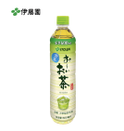 | https://item.jd.com/100091692937.html?spmTag=YTAyMTguYjAwMjQ1NS5jMDAwMDM5OTEucHJvZHVjdF9uYW1l&pvid=7dfaab3e17ac419baf2beff48fcbed61 | 39.01 | 15 | 20 | 300 | 780.2 | ✅
 | 3 | 泰国三麟100%NFC椰子水 | 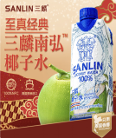 | https://item.jd.com/100020805609.html?spmTag=YTAyMTguYjAwMjQ1NS5jMDAwMDM5OTEucHJvZHVjdF9uYW1l&pvid=553b3239e5ce42b29726dcb8ba0b802a | 103.55 | 24 | 10 | 240 | 1035.5 | ✅
 | 4 | 宾格瑞香蕉牛奶坛子饮料 | 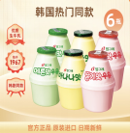 | https://item.jd.com/10166028791393.html?spmTag=YTAyMTguYjAwMjQ1NS5jMDAwMDM5OTEucHJvZHVjdF9uYW1l&pvid=95d8ddb01d8f4cf2bf2ef26d21a754ac | 78.9 | 6 | 15 | 90 | 1183.5 | ✅
饮品 | 1 | 雀巢咖啡 | 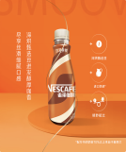 | https://item.jd.com/1044732.html | 108.8 | 15 | 6 | 90 | 652.8 | ✅
 | 2 | 维他柠檬茶 | 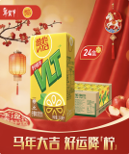 | https://item.jd.com/1234967.html | 65.9 | 24 | 25 | 600 | 1647.5 | ✅
 | 3 | 味全每日C葡萄汁300ml | 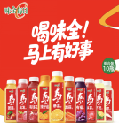 | https://search.jd.com/Search?keyword=%E5%91%B3%E5%85%A8%E6%AF%8F%E6%97%A5C%E8%91%A1%E8%90%84%E6%B1%81300ml&enc=utf-8&wq=%E5%91%B3%E5%85%A8%E6%AF%8F%E6%97%A5C%E8%91%A1%E8%90%84%E6%B1%81300ml&pvid=f7c897a41b0346d88a2d23517e5f5005&spmTag=YTAyMTkuYjAwMjM1Ni5jMDAwMDQ2ODkuc2VhcmNoX2NvbmZpcm0 | 65.8 | 8 | 10 | 80 | 658 | ✅
 | 4 | 农夫山泉水溶C100柠檬味复合果汁饮料 | 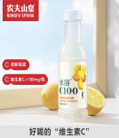 | https://item.jd.com/848890.html | 63 | 15 | 15 | 225 | 945 | ✅
 | 5 | 三得利乌龙茶350ml | 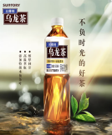 | https://detail.tmall.com/item.htm?id=745015972067&spm=a1z0d.6639537/202406.item.d745015972067.22247484vB8hBB&from=cart&skuId=5516340823875&pisk=fXgIM__4A9XCMXc_EkdafLBygsUSPvT2P_N-ibQFwyULFzGSMuQyxyr7PAeZ8JlUJ8aSNjE-U8lFtcDqMwuexz77-z4J3K82uBc3rzhVBGgFKRF8ZU7dv8LW1hsk3K82PHCTPp9q4GLF-lN7BWF82Jd6WWP4yWURJCwTNSjRpYUJ1feg96Fdv7eTX7PSw9J_sHwKOCLYq3_NxBcQCaQfiWZdObsPPatTwkeYX8b-_VNQA-hK-6ZbL53Z5orNadztickL1rTCnWitGyFSrII7Fug35RMXkaVivvgTVVRklfzQNoU8f_Q-1yoTfWzvkONiXXo--v15yW0Euuw0fQQu4P34DmHCZIcTJ7Hum4Jc-Jh-iqm4le60Ochb5gydu-NLdg1_maN_3CO1qg5WJVzVDIpqTkFg_qR619suv5V_3CO1qgqLs5r21C6Cq | 21.9 | 6 | 40 | 240 | 876 | ✅
 | 6 | 可口可乐300ml |  | https://item.jd.com/3867507.html | 39.9 | 24 | 10 | 240 | 399 | ✅
 |  |  |  |  |  |  |  | 31980 | 102440.15

