Agency 1
Remarks: Agency service fee should be a package price, which ensure the smooth implementation without additional service cost, cost includes phone charge, F&B during preparation and onsite, and any other allowance which need pay to agency staffs or 3rd party staffs.
Both in EN & CN

 | Project Name: | Employee batch fee
 | Project Date: | 2021.1.19
 | Quotation Date: | 2021.1.31
 | Quotation Version: | 1st
 | Agency Name: | Comfort International M.I.C.E. Service CO.,LTD.
 | Agency Address: | Rm.1510,NO.13 Nongzhanguan south road, Chaoyang district,Beijing,China
 | Contact Info (Name/E-mail/MP): | Amanda An/anlihuan@cct.cn/15210315875
SUMMARY( 汇率：) | RMB
 | Item 项目 |  | Budget(RMB) 预算（人民币） |  | Remark 备注 | Description 描述
A | Products/商品 |  | 27,788.00
B | Agency Fees 服务费(10%) |  | 2,778.80
Total Net | Total Net |  | 30,566.80
 | VAT Tax 增值税（6%） |  | 1,834.01
Total Gross |  |  | 32,400.00 |  |  | 增值税专用发票6%可抵扣
Remarks: Please note that 3rd party invoices are paid net by BMW since VAT is claimed back by your company.
A.Products 商品 | Item 项目 | Unit Price (RMB) 单价（人民币） | No. of item 次数 | QTY 数量 | Total Price (RMB) 总价（人民币） | Description 描述
A1 | 刺绣挂绳 挂绳：长90cm，宽2cm；工艺：刺绣； 进口全金属卡扣+安全扣； | 67.00 | 1 | 300 | ¥20,100.00
A2 | 进口按扣式卡套卡套+四色印刷；颜色： 深蓝色。 | 25.63 | 1 | 300 | ¥7,688.00 | 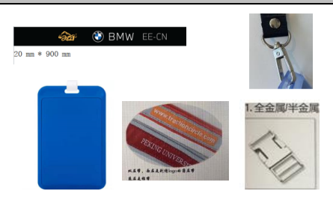
A.Products 商品 |  |  |  |  | ¥27,788.00
B. Agency Fees 服务费 | Item 项目 | Unit Price (RMB) 单价（人民币） | Quantities 人数 | Days 天数 | Total Price (RMB) 总价（人民币） | Description 描述
B. Agency Fees 服务费 |  | ¥2,778.80 | 1 | 1 | ¥2,778.80

